Set up
Using JUNIT 5 with a plain java project: 7:00 https://www.youtube.com/watch?v=o5pE7L2tVV8
Create a plain old java project
https://www.youtube.com/watch?v=o5pE7L2tVV8 - Brian Fraiser 7:39

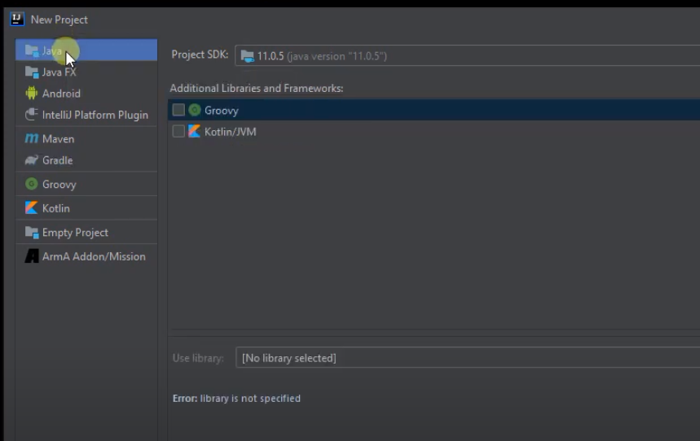
Right click here...Inside the cup class ... then show action context

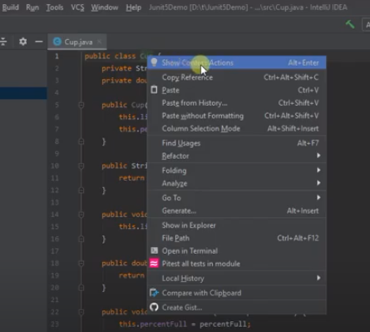
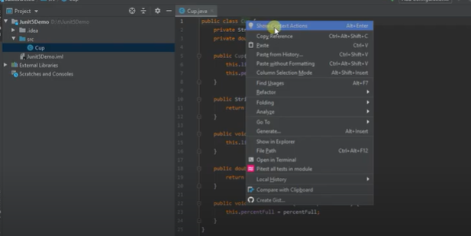

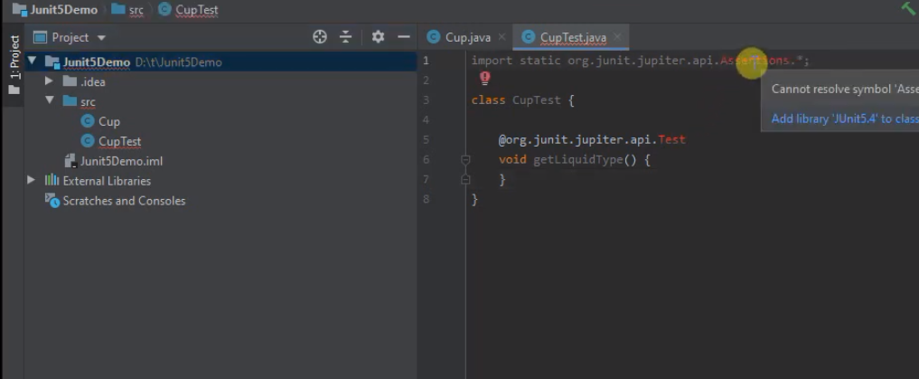
After creating a project ... create a class to test ... then right click the class -> show Context Actions and then -> select Create Tests .... pick JUNIT5 -> Will say not found -> Fix and pick a recent JUNIT5

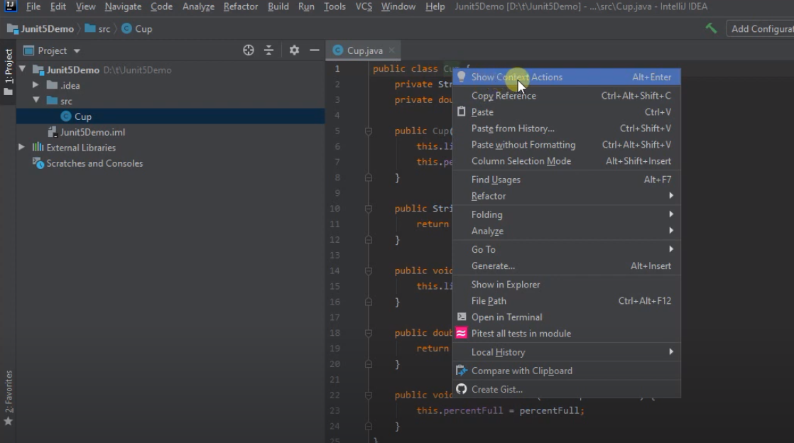
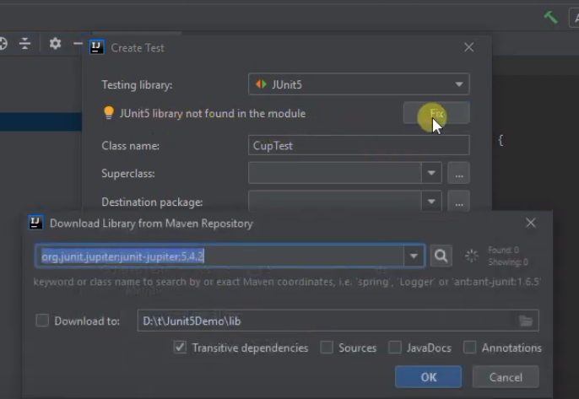

Now need to get the imports right

SetUp Part 2
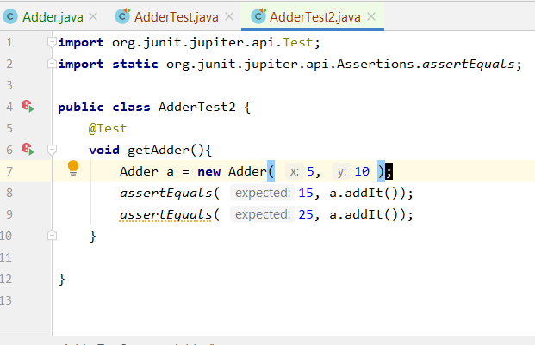
https://www.jetbrains.com/help/idea/2018.1/creating-and-managing-modules.html#configuring-content-roots

1. Select Proect -> New Directory ... call it tests
Notice it is at same 'level' as src
Right-click a folder in the Project tool window.
Select Mark Directory as from the context menu.
Select the necessary category.
Mark it as "Test Sources Root"
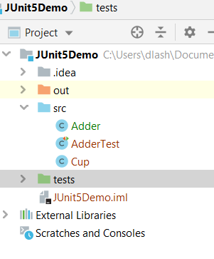

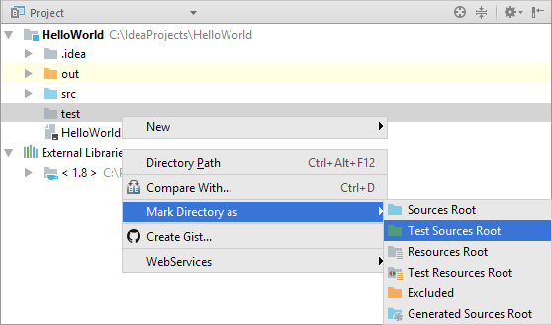

Create a new class in the tests directory ... called it AdderTest2.java
add in the code ..
note that when adding 2 tests in 1 method ... if 1 fails no indicate 1 passes

JUNIT Asserts
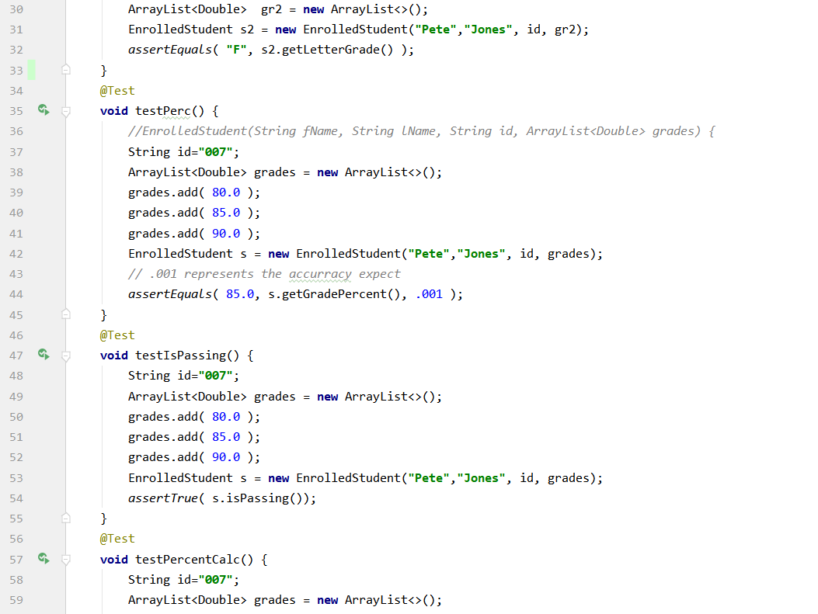
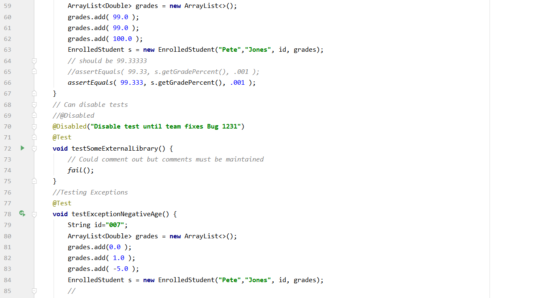
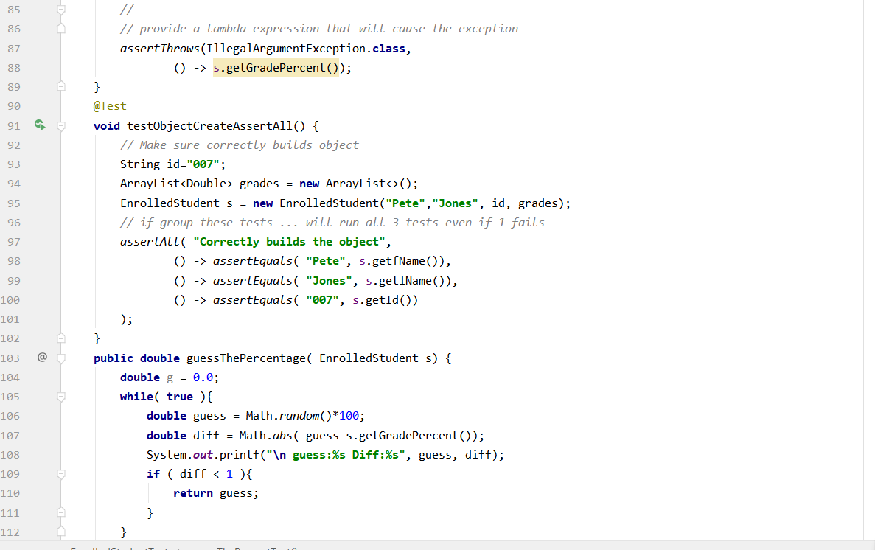
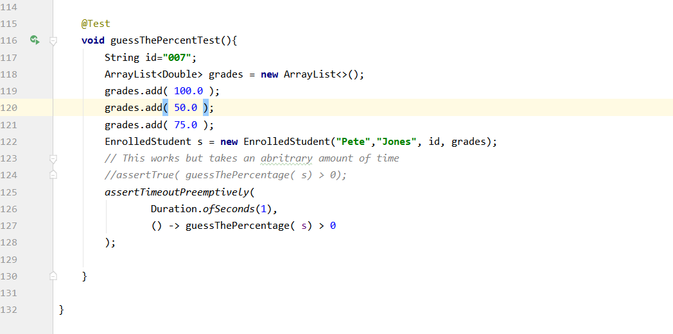
Intro to JUnit Tests
Using JUNIT 5 with a plain java project: 7:00 https://www.youtube.com/watch?v=o5pE7L2tVV8
Create a plain old java project

Getting going

All about junit tests 17:00 - https://www.youtube.com/watch?v=GaNW6Q__5jc&list=PL-suslzEBiMobIYkpy0ijFzSZF1w_ok8r

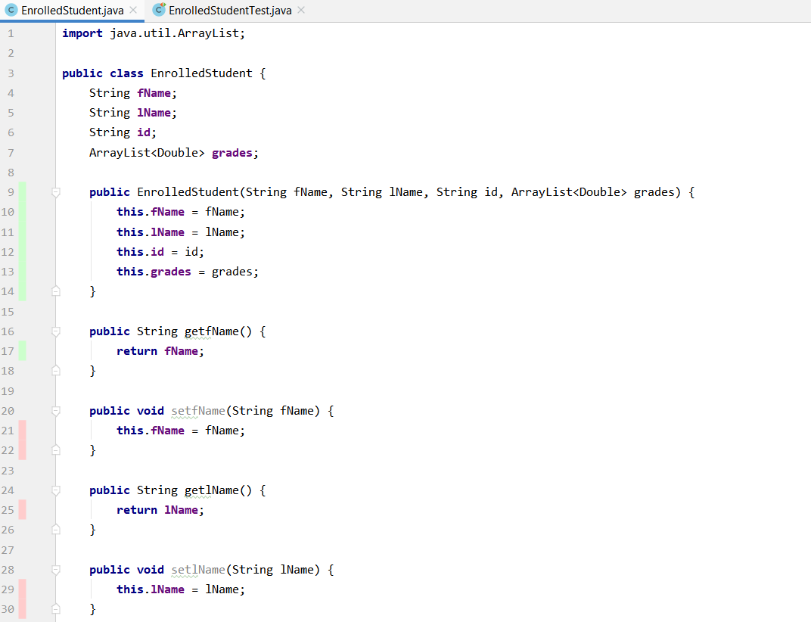

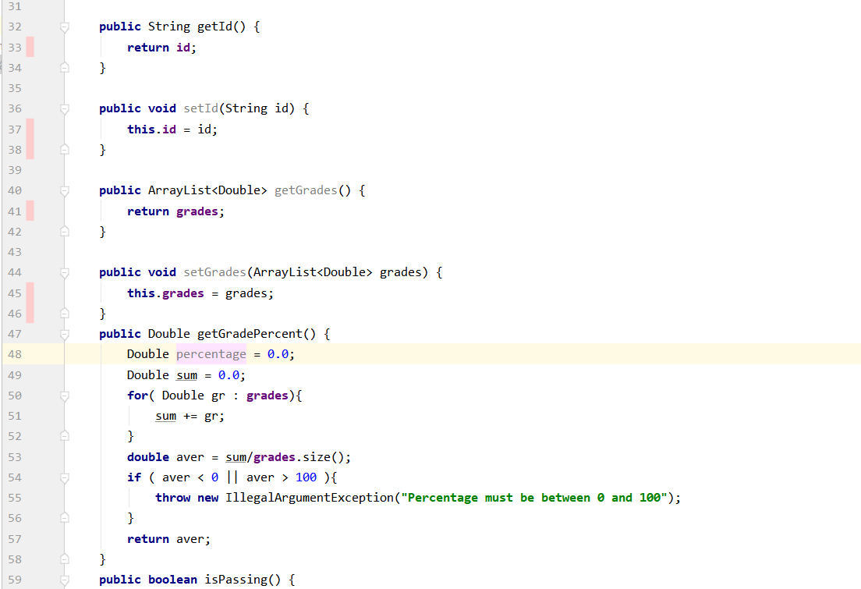

Suppose have this class ... what do you need to test?

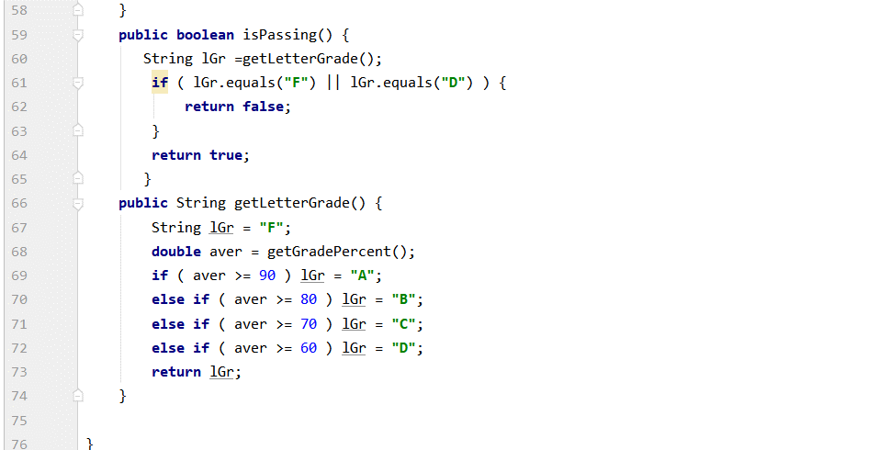

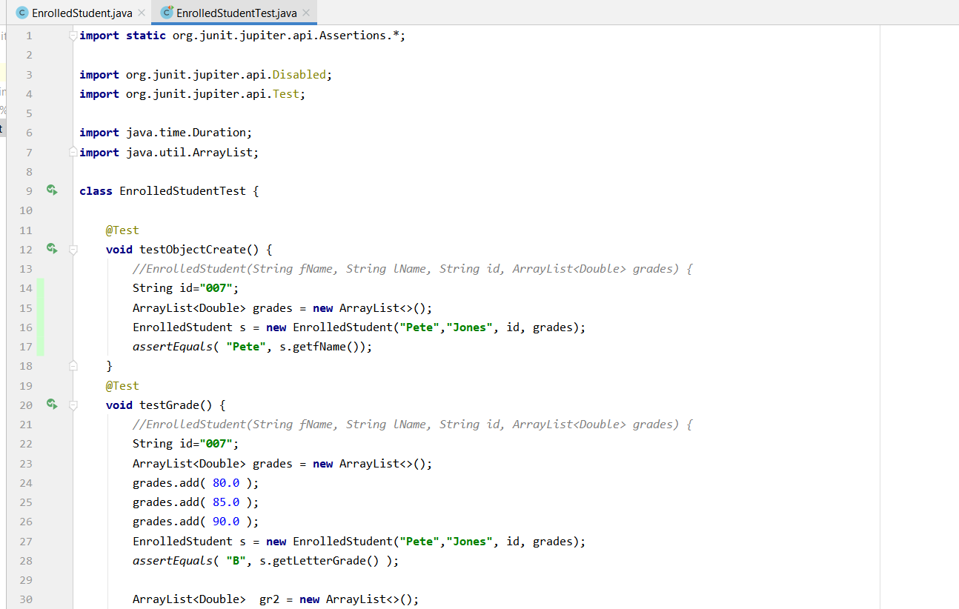
Use these test suites

Does class creation work?

Does class creation work?

SalesBounus
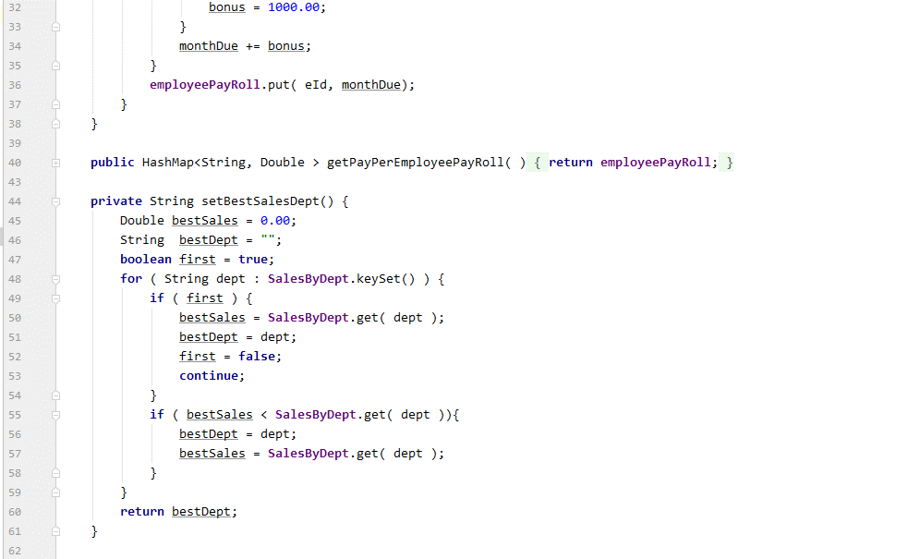
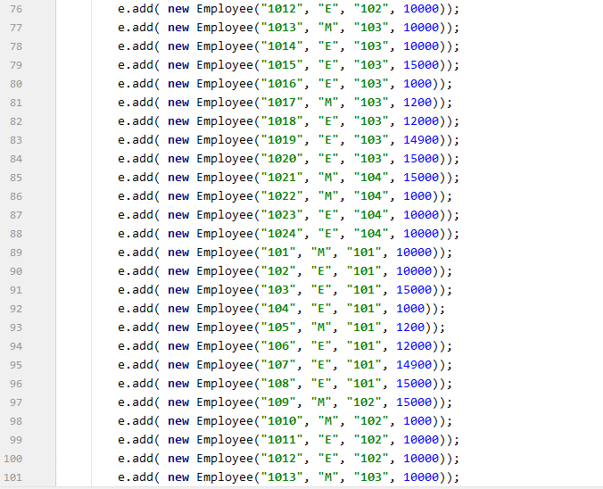
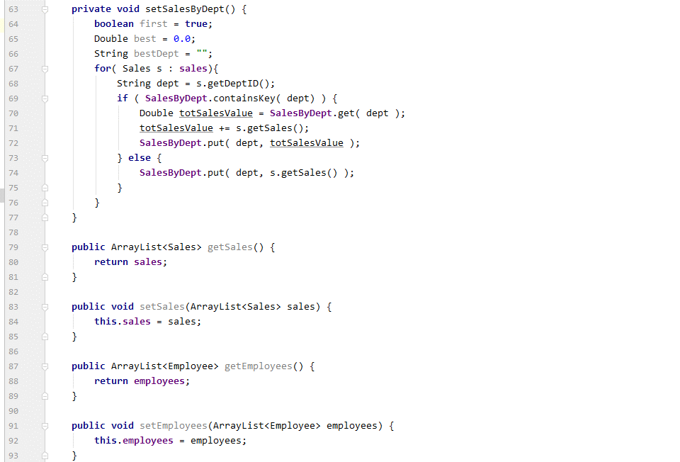
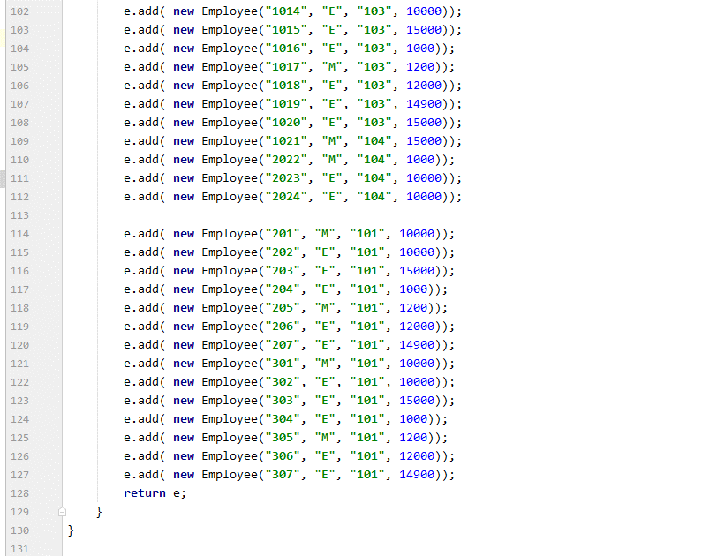
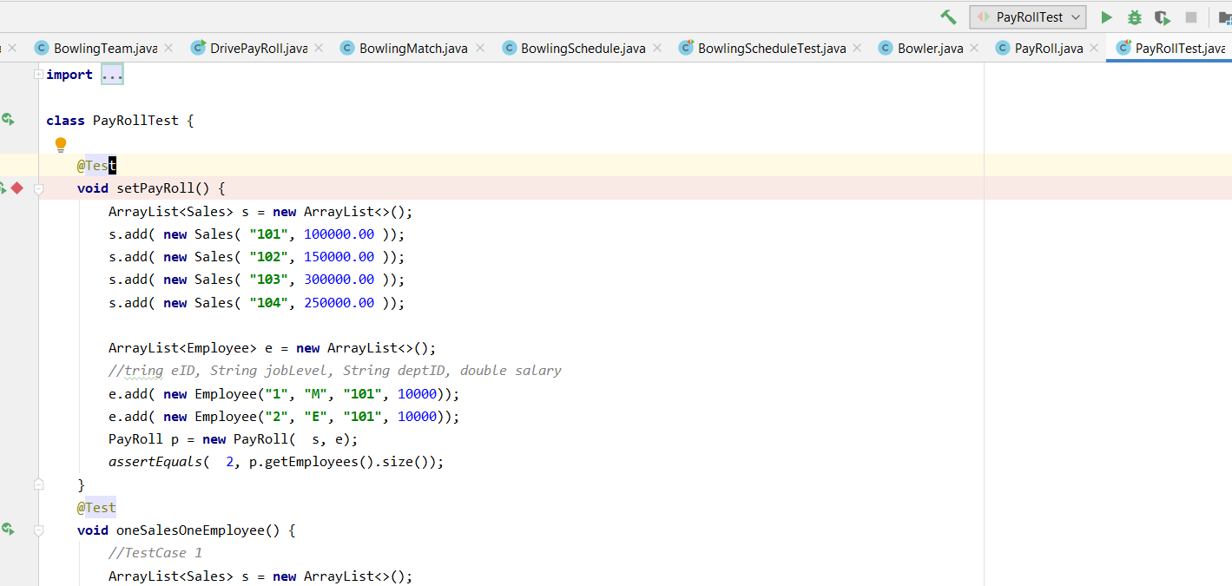
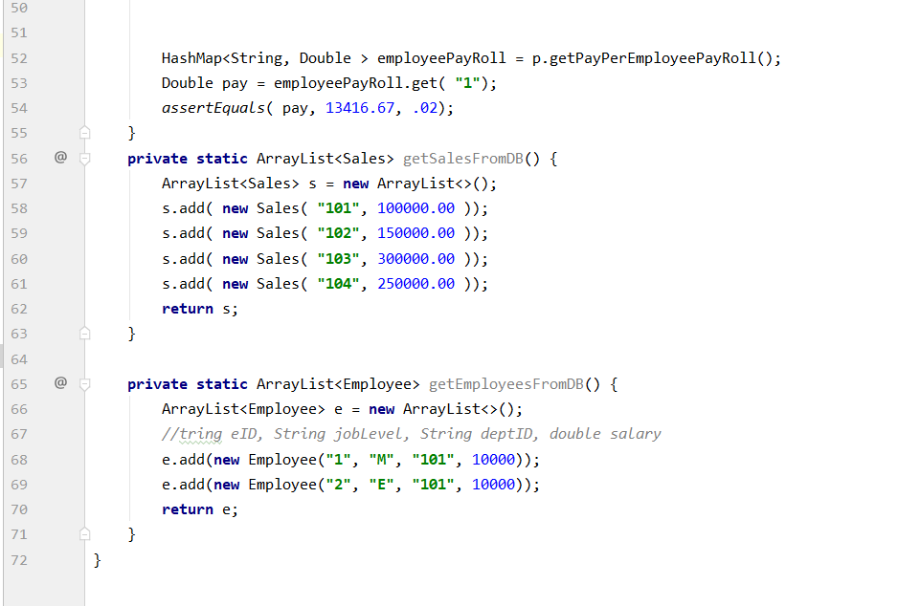
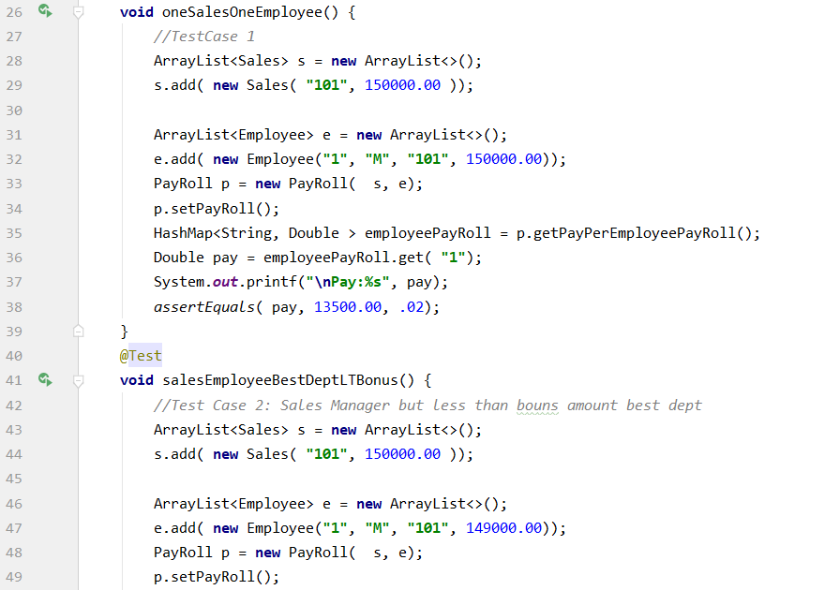
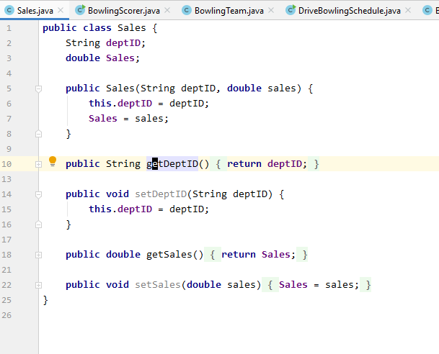
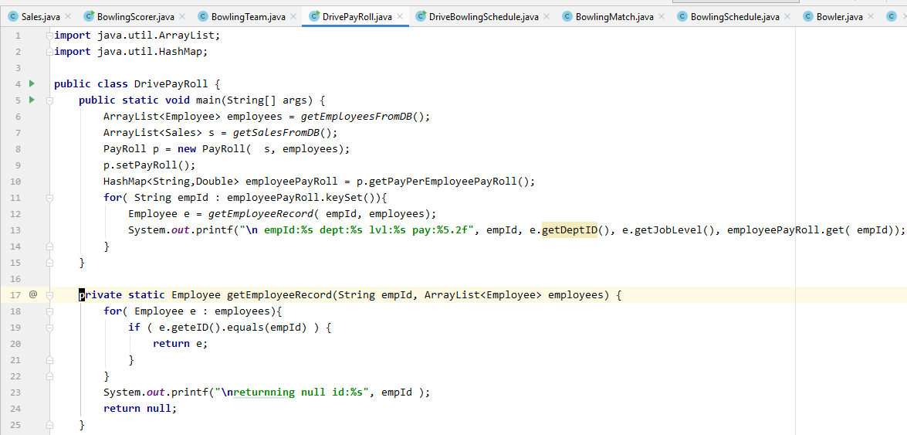

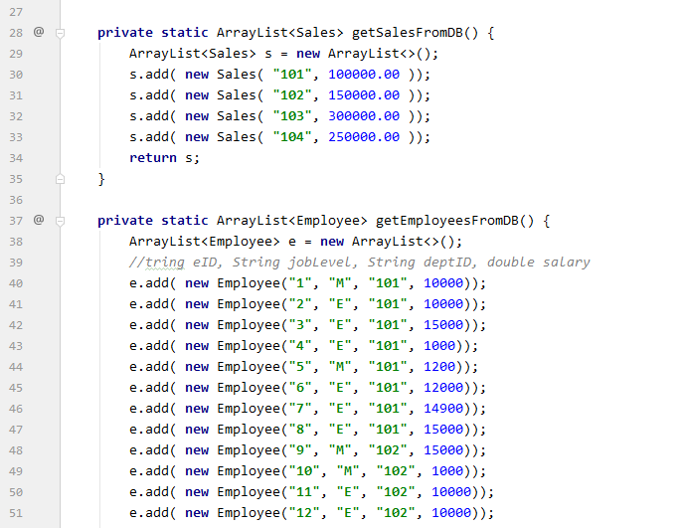

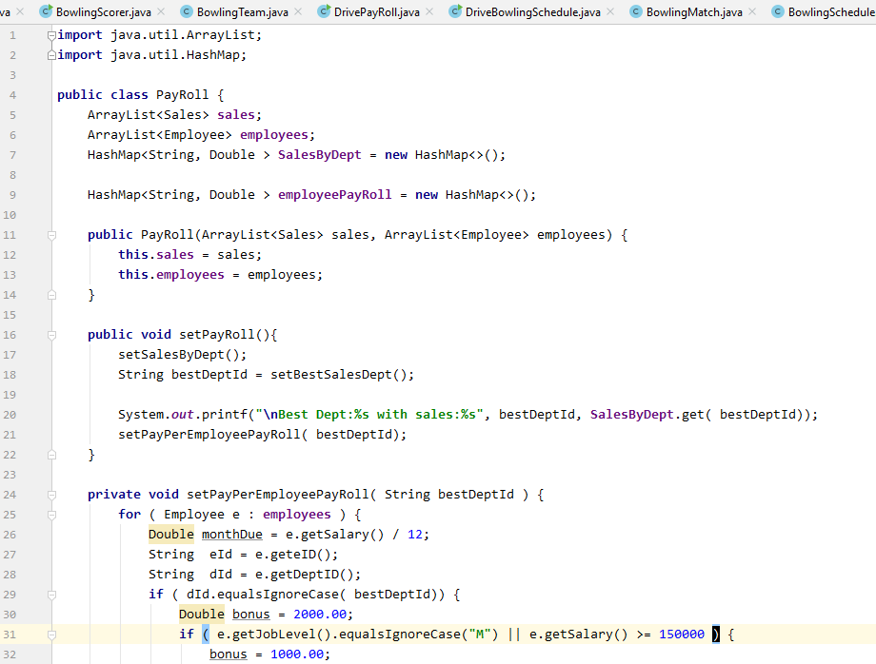

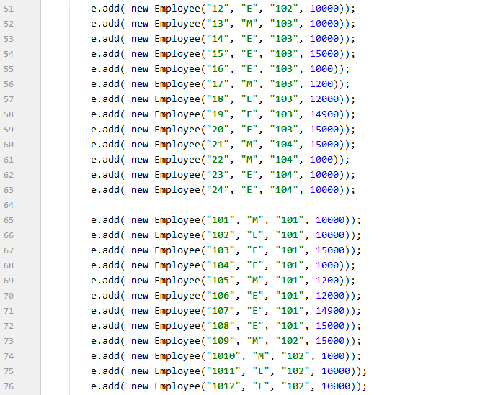

Here is interesting place for tests

BowlingHcap
